Throughput by Time
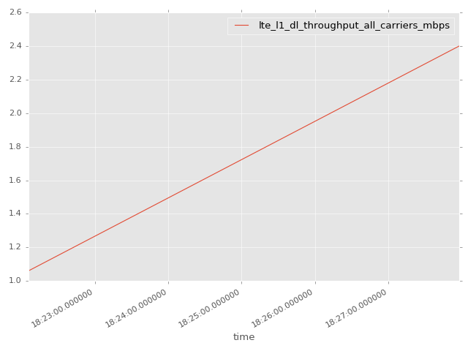
App Throughput by Time Graph | LTE Throughput by Time Graph

lte_l1_dl_throughput_all_carri
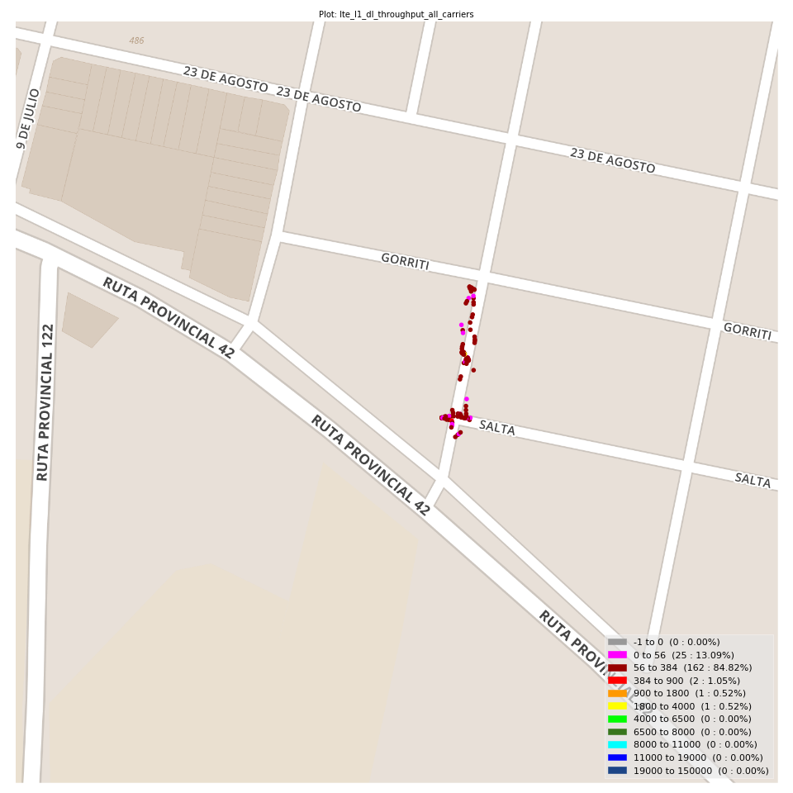
lte_l1_dl_throughput_all_carriers Report

Sampling Distribution Histogram
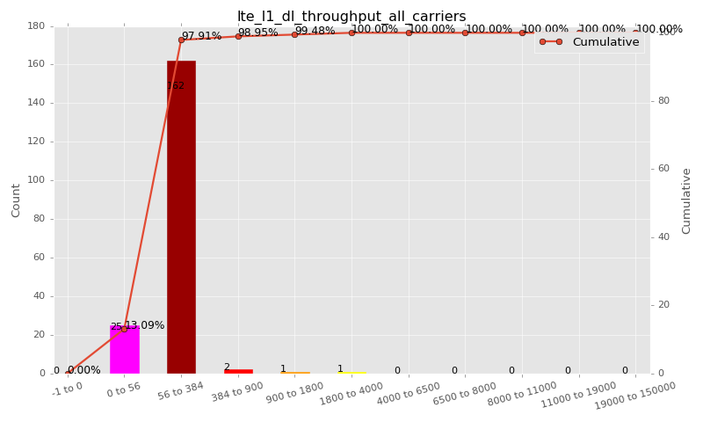

Sampling Distribution Table (first 10 ranges)
ColorXml | Lower | Upper | N Samples | Range | % | Cumulative %
 | -1 | 0 | 0 | -1 to 0 | 0.00 | 0.00
 | 0 | 56 | 25 | 0 to 56 | 13.09 | 13.09
 | 56 | 384 | 162 | 56 to 384 | 84.82 | 97.91
 | 384 | 900 | 2 | 384 to 900 | 1.05 | 98.95
 | 900 | 1800 | 1 | 900 to 1800 | 0.52 | 99.48
 | 1800 | 4000 | 1 | 1800 to 4000 | 0.52 | 100.00
 | 4000 | 6500 | 0 | 4000 to 6500 | 0.00 | 100.00
 | 6500 | 8000 | 0 | 6500 to 8000 | 0.00 | 100.00
 | 8000 | 11000 | 0 | 8000 to 11000 | 0.00 | 100.00
 | 11000 | 19000 | 0 | 11000 to 19000 | 0.00 | 100.00

Basic statistics
N | 191
Mean | 126.88
SD | 193.48
MAX | 2400.00
Median | 80.00
Min | 2.31

Geographical Plot

lte_inst_rsrp_1
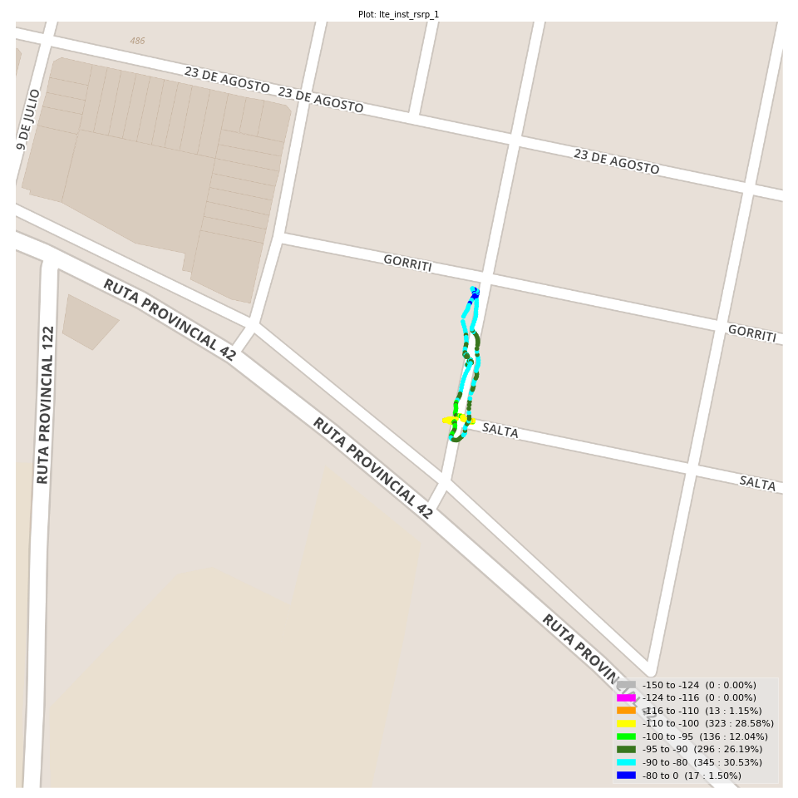
lte_inst_rsrp_1 Report

Sampling Distribution Histogram
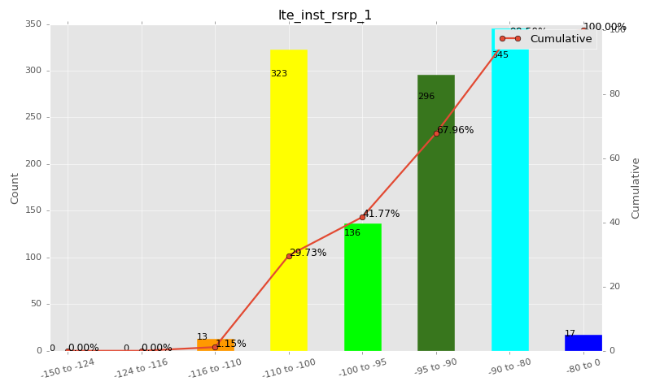

Sampling Distribution Table (first 10 ranges)
ColorXml | Lower | Upper | N Samples | Range | % | Cumulative %
 | -150 | -124 | 0 | -150 to -124 | 0.00 | 0.00
 | -124 | -116 | 0 | -124 to -116 | 0.00 | 0.00
 | -116 | -110 | 13 | -116 to -110 | 1.15 | 1.15
 | -110 | -100 | 323 | -110 to -100 | 28.58 | 29.73
 | -100 | -95 | 136 | -100 to -95 | 12.04 | 41.77
 | -95 | -90 | 296 | -95 to -90 | 26.19 | 67.96
 | -90 | -80 | 345 | -90 to -80 | 30.53 | 98.50
 | -80 | 0 | 17 | -80 to 0 | 1.50 | 100.00

Basic statistics
N | 1130
Mean | -94.79
SD | 7.77
MAX | -73.81
Median | -93.21
Min | -114.62

Geographical Plot

lte_inst_rsrq_1
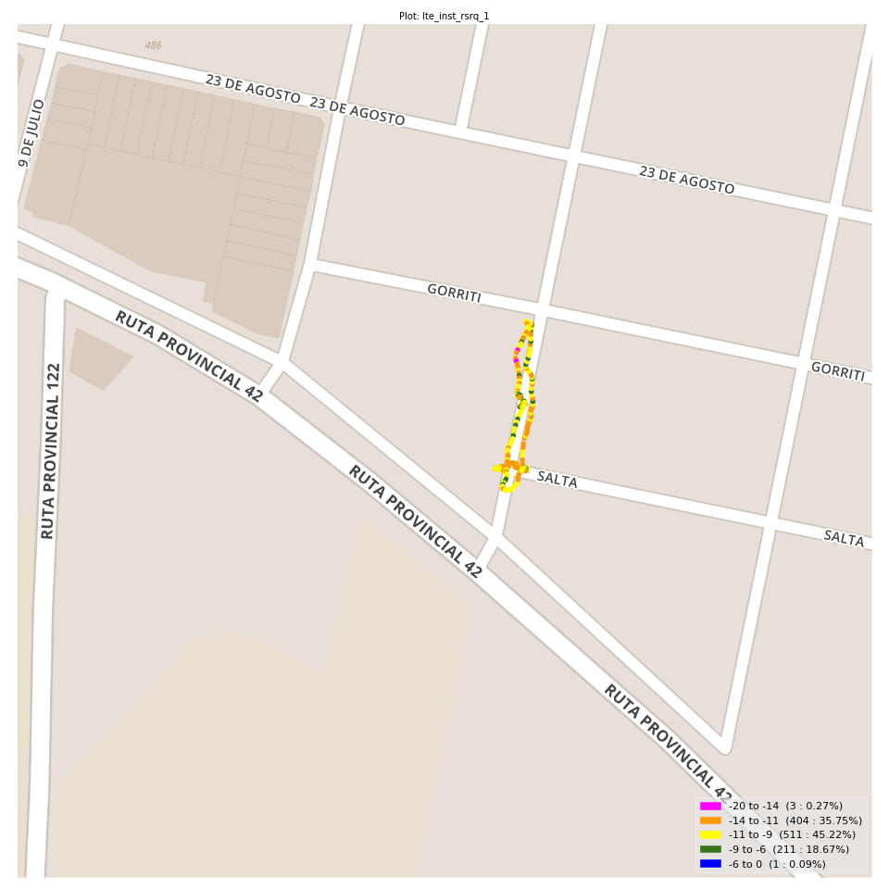
lte_inst_rsrq_1 Report

Sampling Distribution Histogram
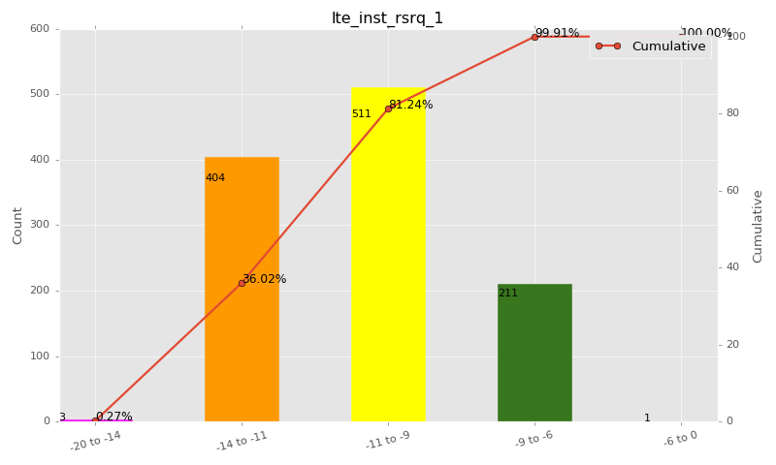

Sampling Distribution Table (first 10 ranges)
ColorXml | Lower | Upper | N Samples | Range | % | Cumulative %
 | -20 | -14 | 3 | -20 to -14 | 0.27 | 0.27
 | -14 | -11 | 404 | -14 to -11 | 35.75 | 36.02
 | -11 | -9 | 511 | -11 to -9 | 45.22 | 81.24
 | -9 | -6 | 211 | -9 to -6 | 18.67 | 99.91
 | -6 | 0 | 1 | -6 to 0 | 0.09 | 100.00

Basic statistics
N | 1130
Mean | -10.38
SD | 1.47
MAX | -5.75
Median | -10.44
Min | -14.62

Geographical Plot

lte_inst_rssi_1
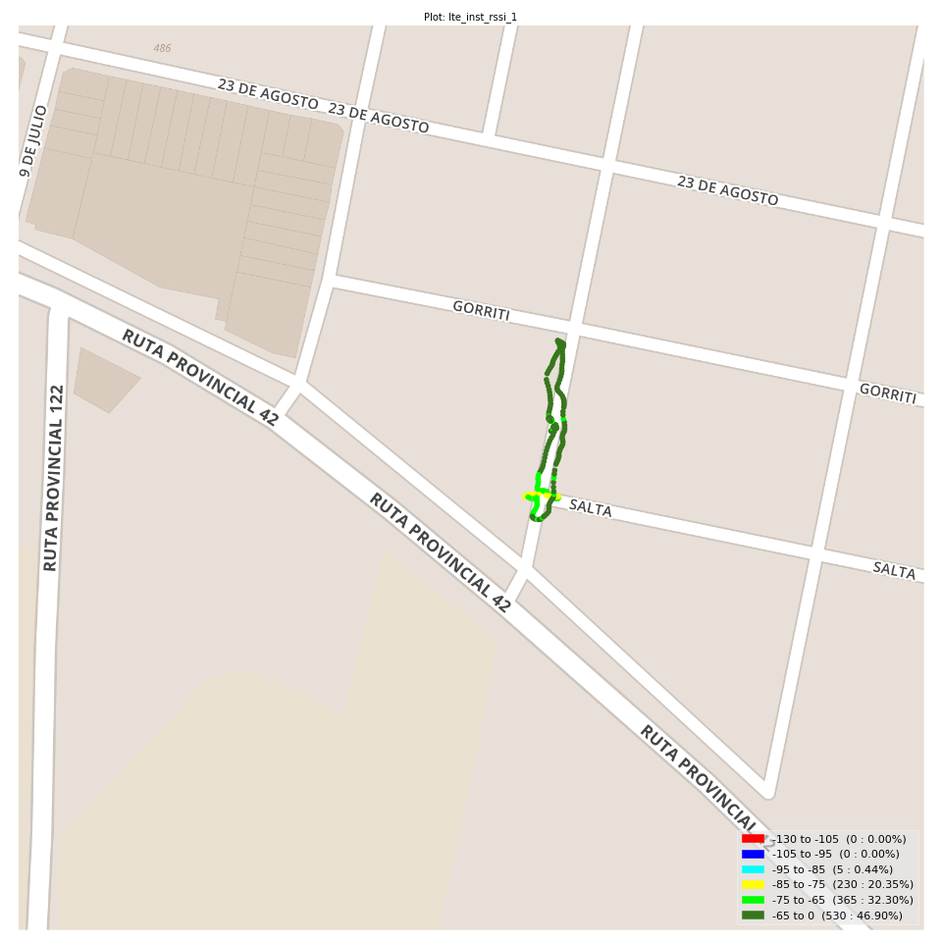
lte_inst_rssi_1 Report

Sampling Distribution Histogram
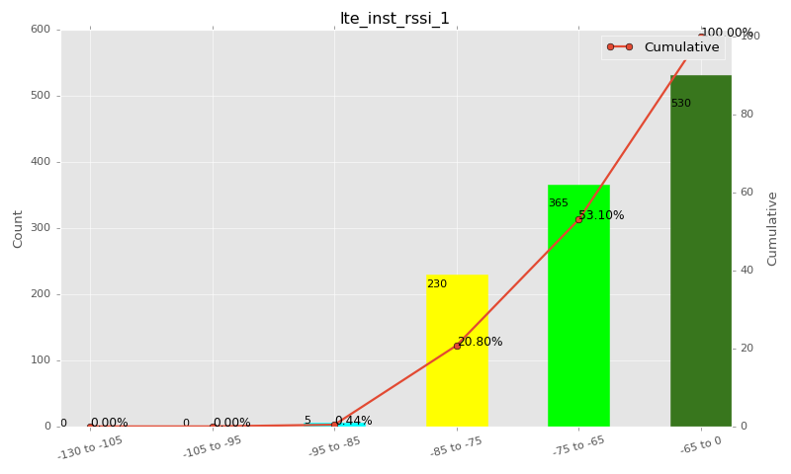

Sampling Distribution Table (first 10 ranges)
ColorXml | Lower | Upper | N Samples | Range | % | Cumulative %
 | -130 | -105 | 0 | -130 to -105 | 0.00 | 0.00
 | -105 | -95 | 0 | -105 to -95 | 0.00 | 0.00
 | -95 | -85 | 5 | -95 to -85 | 0.44 | 0.44
 | -85 | -75 | 230 | -85 to -75 | 20.35 | 20.80
 | -75 | -65 | 365 | -75 to -65 | 32.30 | 53.10
 | -65 | 0 | 530 | -65 to 0 | 46.90 | 100.00

Basic statistics
N | 1130
Mean | -66.81
SD | 7.56
MAX | -46.55
Median | -65.96
Min | -85.50

Geographical Plot

lte_sinr_rx0_1
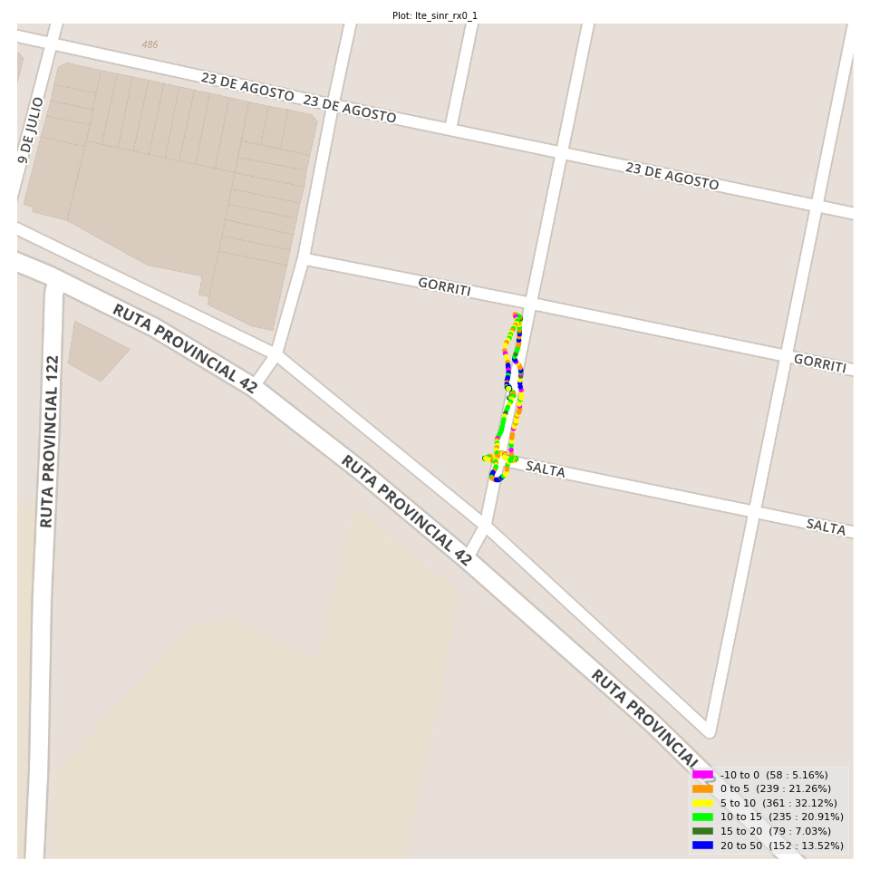
lte_sinr_rx0_1 Report

Sampling Distribution Histogram
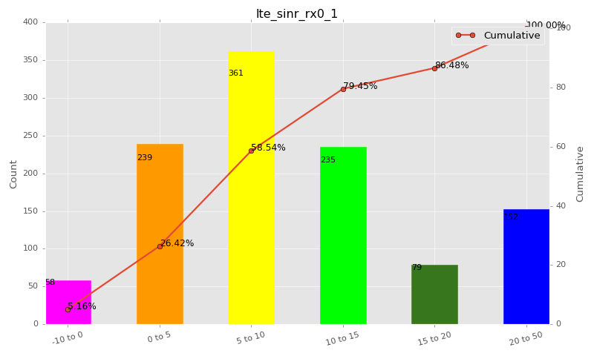

Sampling Distribution Table (first 10 ranges)
ColorXml | Lower | Upper | N Samples | Range | % | Cumulative %
 | -10 | 0 | 58 | -10 to 0 | 5.16 | 5.16
 | 0 | 5 | 239 | 0 to 5 | 21.26 | 26.42
 | 5 | 10 | 361 | 5 to 10 | 32.12 | 58.54
 | 10 | 15 | 235 | 10 to 15 | 20.91 | 79.45
 | 15 | 20 | 79 | 15 to 20 | 7.03 | 86.48
 | 20 | 50 | 152 | 20 to 50 | 13.52 | 100.00

Basic statistics
N | 1124
Mean | 10.12
SD | 7.83
MAX | 30.00
Median | 8.50
Min | -8.40

Geographical Plot

lte_sinr_rx1_1

lte_sinr_rx1_1 Report

Sampling Distribution Histogram
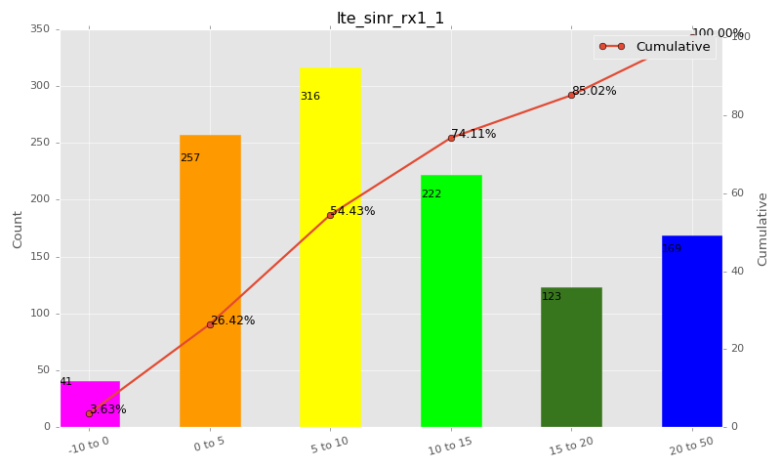

Sampling Distribution Table (first 10 ranges)
ColorXml | Lower | Upper | N Samples | Range | % | Cumulative %
 | -10 | 0 | 41 | -10 to 0 | 3.63 | 3.63
 | 0 | 5 | 257 | 0 to 5 | 22.78 | 26.42
 | 5 | 10 | 316 | 5 to 10 | 28.01 | 54.43
 | 10 | 15 | 222 | 10 to 15 | 19.68 | 74.11
 | 15 | 20 | 123 | 15 to 20 | 10.90 | 85.02
 | 20 | 50 | 169 | 20 to 50 | 14.98 | 100.00

Basic statistics
N | 1128
Mean | 10.89
SD | 8.27
MAX | 30.00
Median | 9.09
Min | -8.40

Geographical Plot

lte_physical_cell_id_1
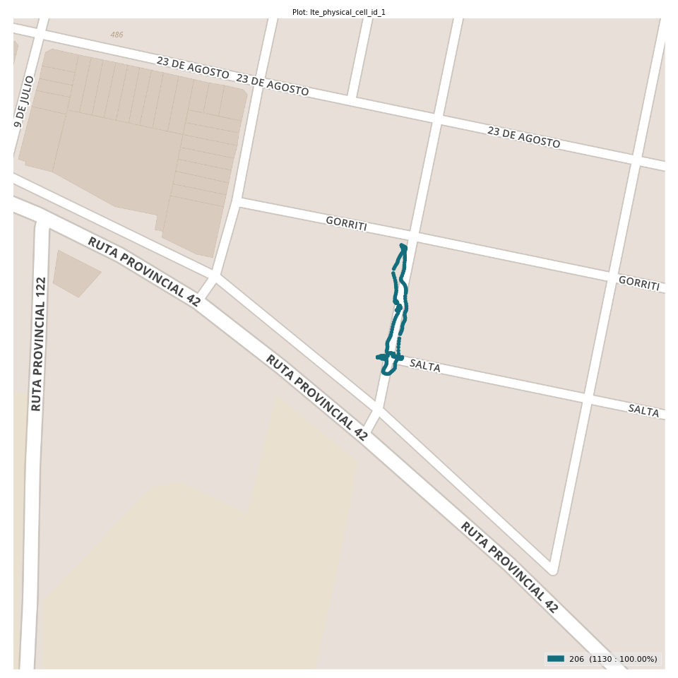
lte_physical_cell_id_1 Report

Sampling Distribution Histogram
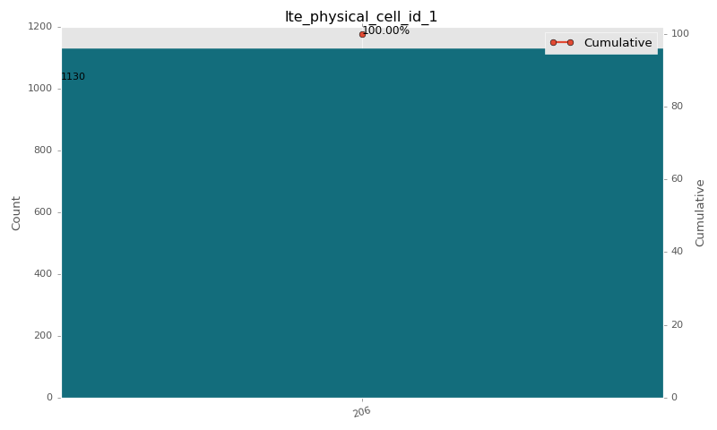

Sampling Distribution Table (first 10 ranges)
ColorXml | Lower | Upper | match_value | N Samples | Range | % | Cumulative %
 |  |  | 206 | 1130 |  | 100.00 | 100.00

Basic statistics
N | 1130
Mean | N/A (id-type column: lte_physical_cell_id_1)
SD | N/A (id-type column: lte_physical_cell_id_1)
MAX | N/A (id-type column: lte_physical_cell_id_1)
Median | N/A (id-type column: lte_physical_cell_id_1)
Min | N/A (id-type column: lte_physical_cell_id_1)

Geographical Plot

lte_earfcn_1
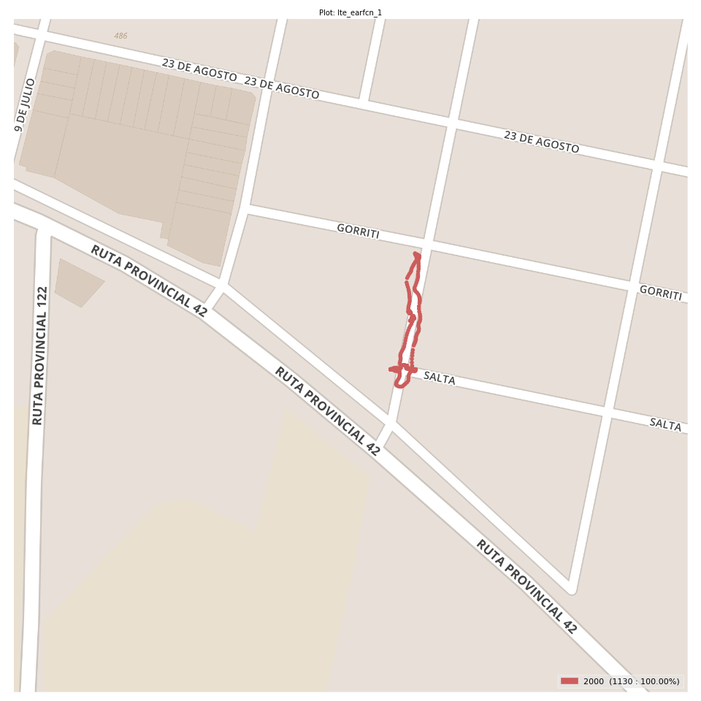
lte_earfcn_1 Report

Sampling Distribution Histogram
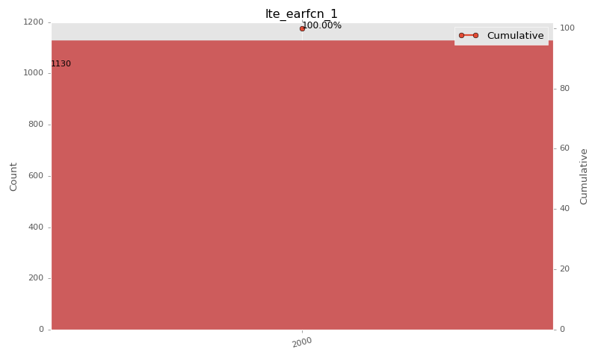

Sampling Distribution Table (first 10 ranges)
ColorXml | Lower | Upper | match_value | N Samples | Range | % | Cumulative %
 |  |  | 2000 | 1130 |  | 100.00 | 100.00

Basic statistics
N | 1130
Mean | N/A (id-type column: lte_earfcn_1)
SD | N/A (id-type column: lte_earfcn_1)
MAX | N/A (id-type column: lte_earfcn_1)
Median | N/A (id-type column: lte_earfcn_1)
Min | N/A (id-type column: lte_earfcn_1)

Geographical Plot

